1. Title Page
Instacart Analysis

Project Name: Instacart Grocery Basket Analysis
Date: 9/10/2023
Analyst Name: Ashley Cook

Contents:
Population Flow
Consistency checks
Wrangling steps
Column derivations
Visualizations
Recommendations

Data Citation
“The Instacart Online Grocery Shopping Dataset 2017” accessed from www.instacart.com/datasets/grocery-shopping-2017 via Kaggle. Entire "customer.csv" dataset and "prices" column of "products.csv" dataset were fabricated by Career Foundry for educational purposes.

2. Population Flow
 | Title page

Population flow

Exclusion flag
Condition: max_order <
Obervations to be removed:
Final total count of order_products_all:

Orders_products_combined
Orders_products_merged
Orders_products_all

Total:32,404,859
Total: 32,434,489
Total:
32,404,859

1.) The grey boxes in the first row of the population flow represent the original data sets as they were when you downloaded them. In the Total fields you need to add the count of the rows when you imported the data set into Jupyter.
2.) The second row of boxes (coloured) represents the data sets after you manipulated them, e.g., removed missing values and duplicates. In the Total fields you need to add the count of the rows after conducting these operations. This offers a visual oveview of how the data flows throughout the data consistency checks.
3.) The third row, where also the arrows are coloured, represents the merges you performed between the datasets. In the Total fields you need to add the count of the rows in the merged datasets, so that you end up with the final dataset (in the red box). Keep in mind the final dataset should be without exclusions (based on the exclusion flag).

3. Consistency checks
 |  |  |  | Title page
Consistency checks

Dataset | Missing values | Missing values treatment | Duplicates
orders | 206, 209 missing values for days_since_prior_order column | Replace missing value with zero | No duplicates
products | 16 missing values for the product_name | Made a new dataframe w/o missing values | No duplicates
customers | 11,259 missing values in First name column | Left missing values | No duplicates

4. Wrangling steps
 |  |  |  | Title page
Wrangling steps

Columns dropped | Columns renamed | Columns' type changed | Comment/Reason
 | order_dow |  | changed orders_day of the week
eval_set |  |  | removed irrelevant information
 | days_since_prior_order |  | harder to read
 | order_number |  | change to a string
 | order_id |  | changed to a string

5. Column derivations
 |  |  |  | Title page

Column derivations and aggregations

In this tab you should add tables below that the frequences of flags/label variables that you produced after deriving them. NB: don't do this for continuous variables, only for flags.
Dataset | New column | Column/s it was derived from | Conditions
order_products-merged | price_range | prices | low range products price 5 under mid range prices 5-15 and high product 15 and up
order_products-merged | busiest_day | orders_day_of_the_week | Busiset day: order_day_of_week = 0 Least busy: order_day_of_week = 4 Regularly busy: all else
order_products-merged | busiest_day | orders_day_of_the_week | Busiest Days: order_day_of_week = 0 or 1 Slowest days: order_day_of_week = 4 or 3 Regularly busy: all else
order_products-merged | busiest_period_of_day | order_hour_of_day | Most orders: value in 10, 11, 14, 15, 13, 12, 16, 9 Fewest orders: value in 23, 6, 0, 1, 5, 2, 4, 3 Average orders: everything else
order_products-merged | max_order | user_id, order_number | Max number of orders for each user_id
order_products-merged | loyalty_flag | max_order | Loyal customer: max_order > 40 Regular Customer: max_order <= 40 & >10 New Customer: max_order <= 10
order_products-merged | avg_price | user_id, prices | Mean prices for each user_id
order_products-merged | spending_flag | avg_price | Low spender: avg price < 10 High spender: avg price >= 10
order_products-merged | median_days_since_prior_order | user_id, days_since_prior_order | Median number of orders
order_products-merged | order_frequency_flag | median_days_since_prior_order | Non-frequent customer: median_days_since_prior_order >20 Regular customer: median_days_since_prior_order <= 20 & >10 Frequent customer: median_days_since_prior_order <=10
final_subset_sample | department | department_id | departments assigned according to data dictionary derived from df_depts dataset
final_subset_sample | age_group | Age | Child: age <= 16 & >= 0 = Young Adults: age <= 30 & >= 17 Middle Aged Adults: age <= 45 & >= 31 Old Adults: age > 45
final_subset_sample | income_group | income | Low Income: income < 43350 Middle Income: iincome <= 130000 & >= 43350 Upper Income: income > 130000
final_subset_sample | dependents_group | number_of_dependents | Parent: number of dependents > 0 No Children: number of dependents == 0
final_subset_sample | customer_profile | fam_status, n_dependents, Gender | Single parent: marital status != married & number of dependents > 0 Single female without chidlren: marital status != married & gender == Female & number of dependents == 0 Single male without chidlren: marital status != married & gender == Male & number of dependents == 0 Married young parent: marital status == married & number of dependents >0 Married without children: marital status == married & number of dependents == 0
final_subset_sample | customer_income_profile | fam_status, n_dependents, Gender, income_group | Low income single parent: marital status != married & number of dependents > 0 & income group = Low Income Middle income single parent: marital status != married & number of dependents > 0 & income group = Middle income Upper income single parent: marital status != married & number of dependents > 0 & income group = Upper Income Low income single female without chidlren: marital status != married & gender == Female & number of dependents == 0 & income group = Low Income Middle income single female without chidlren: marital status != married & gender == Female & number of dependents == 0 & income group = Middle Income Upper income single female without chidlren: marital status != married & gender == Female & number of dependents == 0 & income group = Upper Income Low income single male without chidlren: marital status != married & gender == Male & number of dependents == 0 & income group = Low Income Middle income single male without chidlren: marital status != married & gender == Male & number of dependents == 0 & income group = Middle Income Upper income single male without chidlren: marital status != married & gender == Male & number of dependents == 0 & income group = Upper Income Low income married young parent: marital status == married & number of dependents >0 & income group = Low Income Middle income married young parent: marital status == married & number of dependents >0 & income group = Middle Income Upper income married young parent: marital status == married & number of dependents >0 & income group = Upper Income Low income married without children: marital status == married & number of dependents == 0 & income group = Low Income Middle income married without children: marital status == married & number of dependents == 0 & income group = Middle Income Upper income married without children: marital status == married & number of dependents == 0 & income group = Upper Income
final_subset_sample | time_period |  | Before 8am Between 8am and 5pm After 5pm
final_subset_sample | day | orders_day_of_week | Saturday: order day of week = 0 Sunday: order day of week = 1 Monday: order day of week = 2 Tuesday: order day of week = 3 Wednesday: order day of week = 4 Thursday: order day of week = 5 Friday: order day of week = 6

6. Visualizations
 |  |  |  |  |  |  |  | Title page

Visualisations

In this tab you should include all the visualtions from Exercises 4.9 and 4.10, alongside the questions from the project brief that they answer. Include any commentary on the relationship between different variables.

1. The sales team needs to know what the busiest days of the week and hours of the day are (i.e., the days and times with the most orders) in order to schedule ads at times when there are fewer orders.

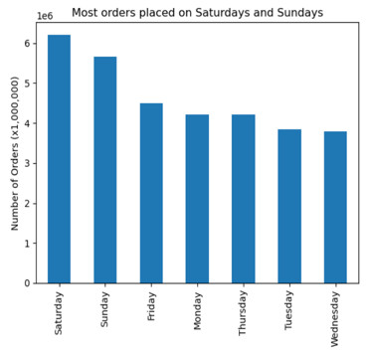


 |  |  | The busiesy days are Saturday and Sunday as more people are home

 |  |  | The slowest days are Tuesday and Wednesday

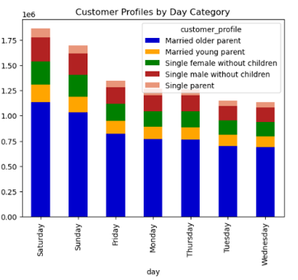
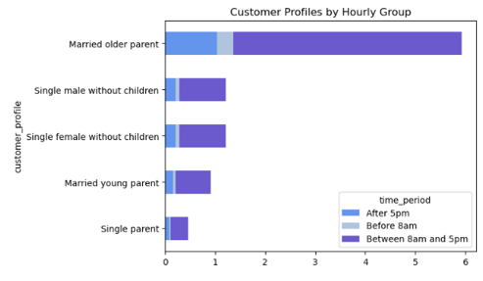

2. They also want to know whether there are particular times of the day when people spend the most money, as this might inform the type of products they advertise at these times.

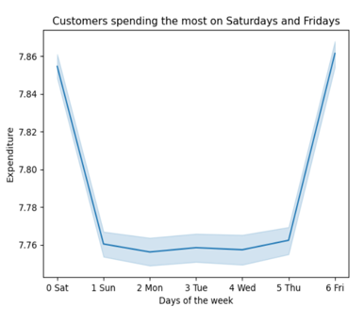
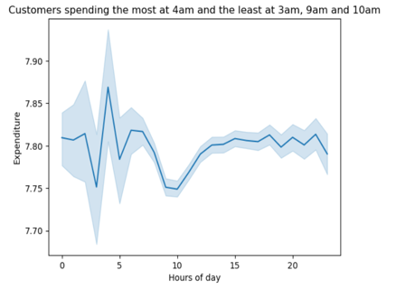

 |  |  | Peak times are Saturday and Sunday for the most orders.
 |  |  | The busiest times are from 9am - 5pm during peak times.

3. Instacart has a lot of products with different price tags. Marketing and sales want to use simpler price range groupings to help direct their efforts.

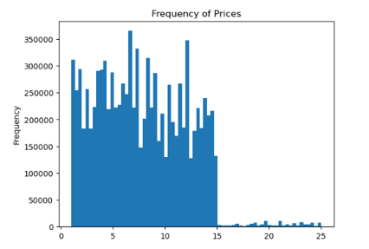
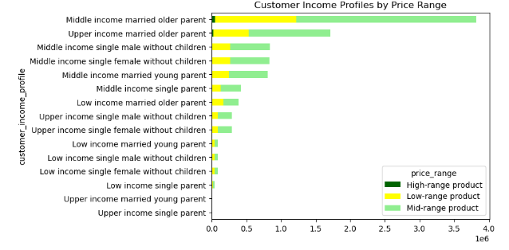

 |  |  |  |  |  |  | Orders seem to be simular between low range and mid-range products. Wherer as high range products are not sought after.

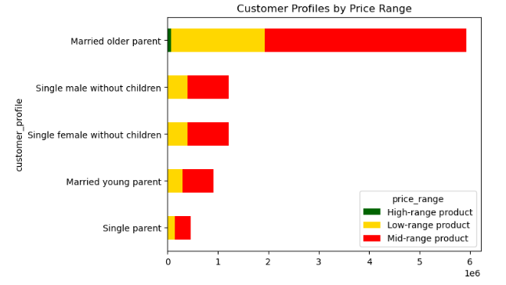

 |  |  |  |  |  | The majority of the population regardless of customer profile use mid-range products

4. Are there certain types of products that are more popular than others? The marketing and sales teams want to know which departments have the highest frequency of product orders.
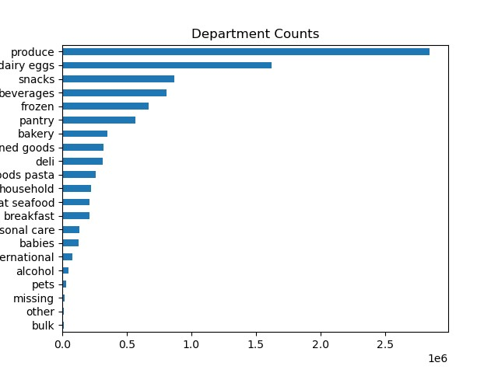

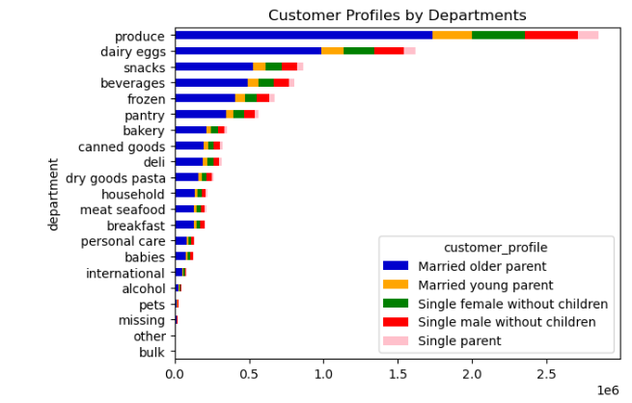
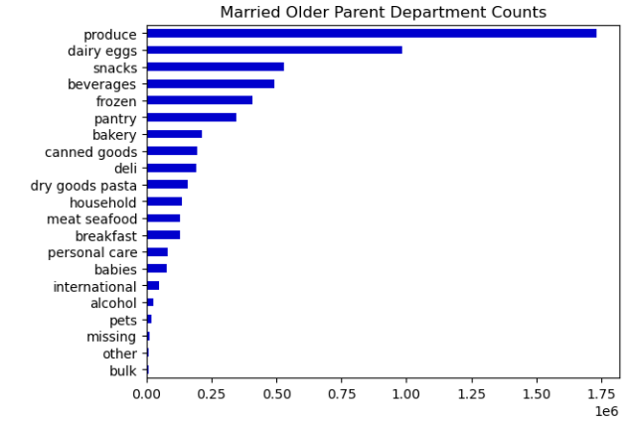
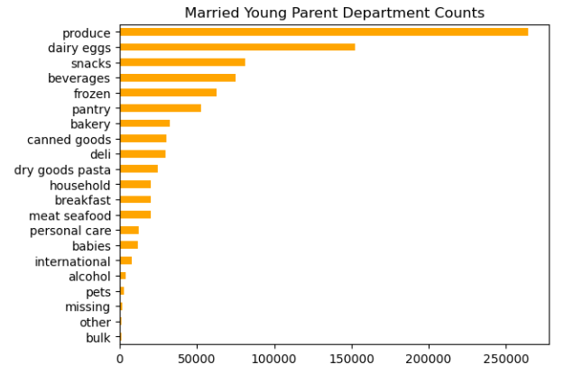
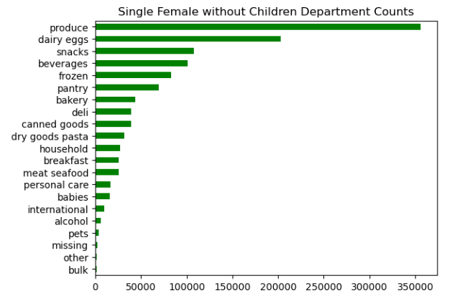
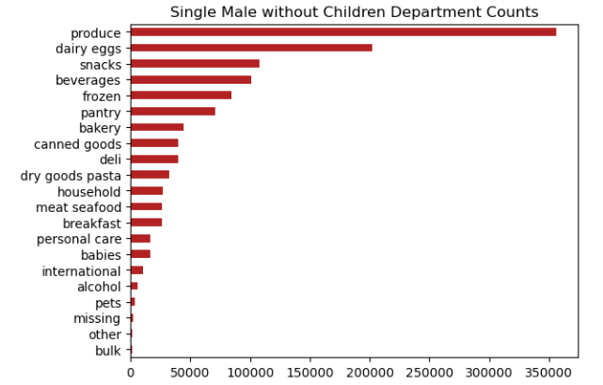
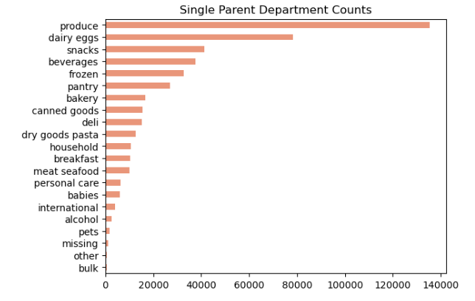

 |  |  |  |  | We can see that the top 5 departments are all the same for all profiles. They are Produce, Dairy eggs, snacks, beverages, frozen

5. What’s the distribution among users in regards to their brand loyalty (i.e., how often do they return to Instacart)?

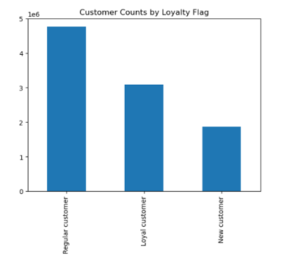
 |  |  |  |  |  | New Customers who have placed 10 or less orders
 |  |  |  |  |  | Regular customers are people who have placed 10-40 orders
 |  |  |  |  |  | Loyal customers are people who have placed more than 40 orders.

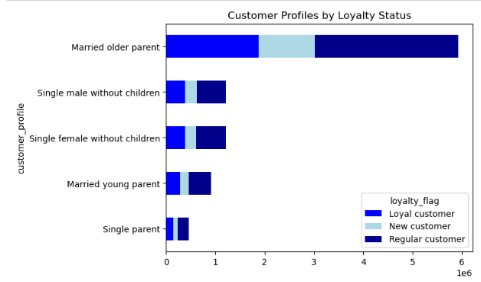

 |  |  |  | The majority of Instacart users are regular customers. While the smallest group is new customers. We should focus on incentives to gain new customers and turn them into regular customers.

6. Are there differences in ordering habits based on a customer’s loyalty status?

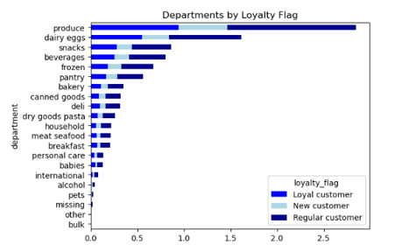

 |  |  |  |  | Regardless of a new or old customer they follow the same pattern in each department.

7. Are there differences in ordering habits based on a customer’s region?

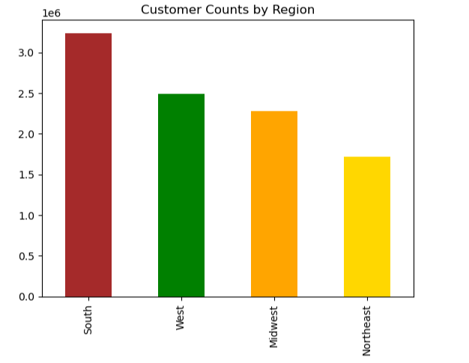
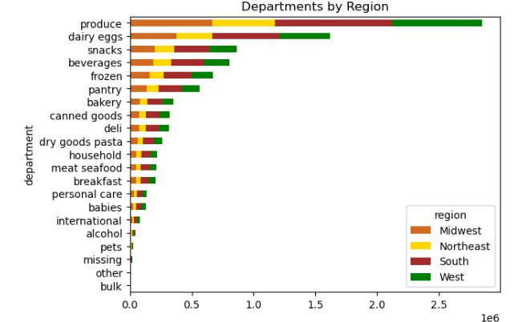

 | The Southern region has the highest orders while the northeast region has the least.

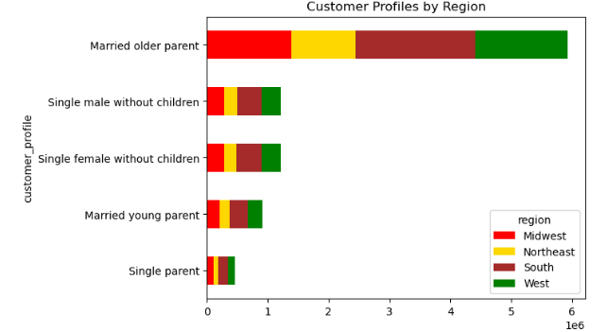

8. Is there a connection between age and family status in terms of ordering habits?

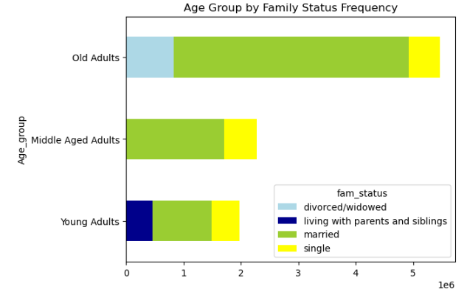

 |  |  |  |  | The married group has the highest amount of orders most likely due to the fact that they are more financial stable at that point in there life then they would be in there early 20's

9. What different classifications does the demographic information suggest? Age? Income? Certain types of goods? Family status?

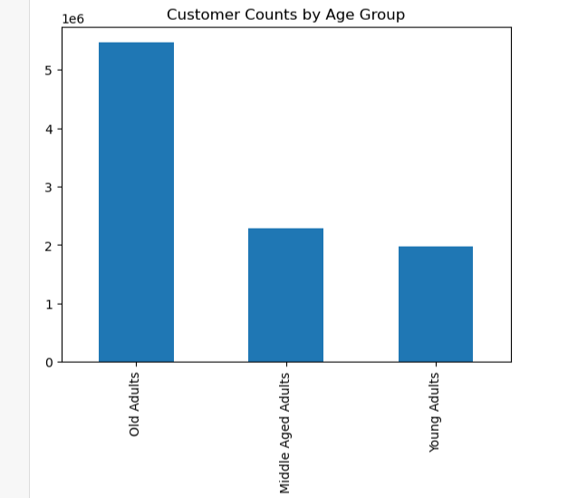
 | People over the age of 40 have more spending power.
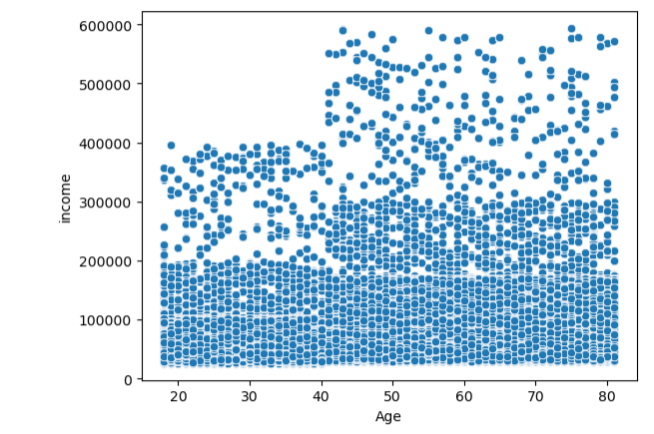

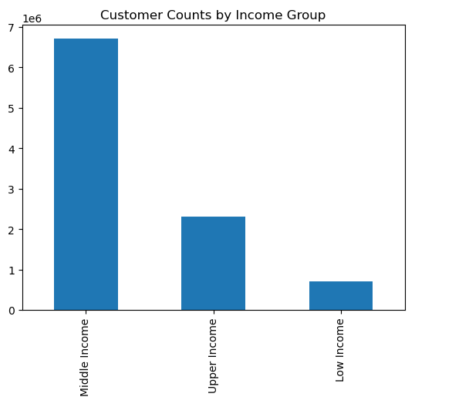
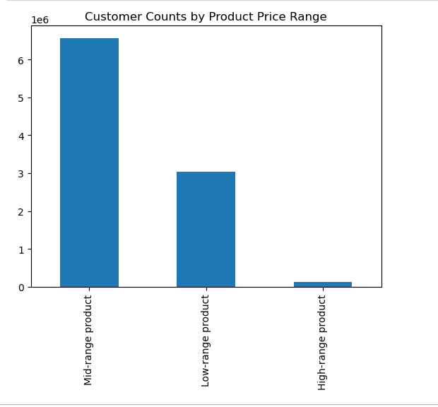

 | Middle income customers have the highest frequency of orders by more than 3x the upper income group.

10. What differences can you find in ordering habits of different customer profiles? Consider the price of orders, the frequency of orders, the products customers are ordering, and anything else you can think of.

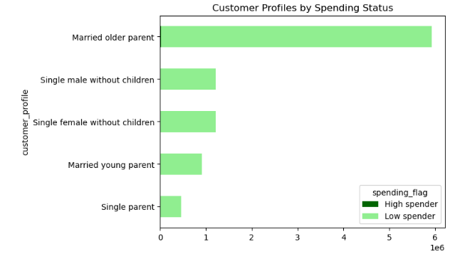
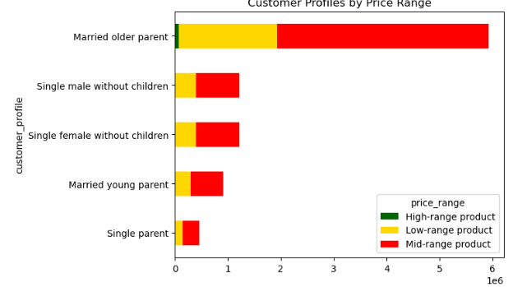

 | Most people are in the low spender category with a small amount in the high spender section. |  |  |  | All customers profiles show mid range products are popular.

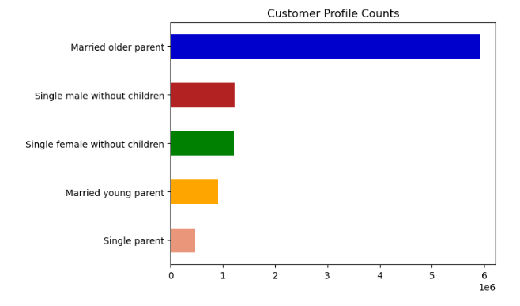
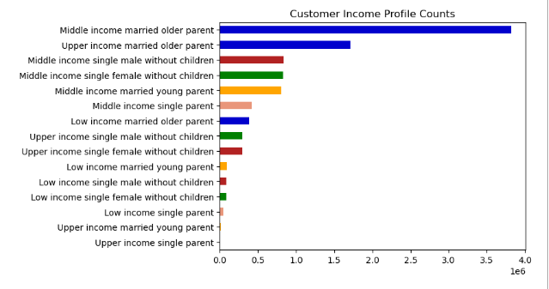

 |  | Married older parents are the largest profile. Most likely they are over 40 and more financialy stable.

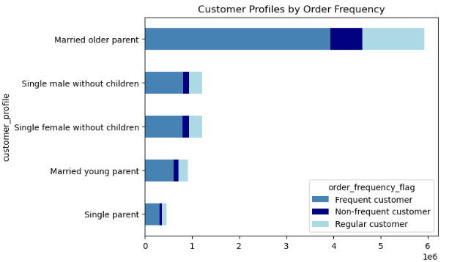
 |  |  |  |  |  | Across all customer profiles the largest part are fequent customers. A very small are non-frequent.

7. Recommendations
 |  | Title page

Recommendations

In this tab you should include any recommendations you would made to Instcart in terms of their marketing strategy based on the questions posed in the brief. Every key question has been covered in the Tasks of the Exercises - here you need to add an item - a visualisation or table/crosstable that is showing the answer in the data, acompanied by a comment from you. Please, list the questions below and add the answer underneath.

Question | Answer and Recommendation
1. The sales team needs to know what the busiest days of the week and hours of the day are (i.e., the days and times with the most orders) in order to schedule ads at times when there are fewer orders. | The busiest days are Saturday and Sunday. The slowest are Tuesday and Wendseday. Provide a couple or daily deal for slow days.

2.They also want to know whether there are particular times of the day when people spend the most money, as this might inform the type of products they advertise at these times. | Instacart gets the most orders from 9a-4pm. During normal working hours. The least are before 7am and after 8pm.

3. Instacart has a lot of products with different price tags. Marketing and sales want to use simpler price range groupings to help direct their efforts. | Mid-range items ranging from $5-$15 are he most popular across all groups. I recommend making sure that we have inventory on all mid range staples like produce, dairy, beverages and frozen items for customers to choose from.

4. Are there certain types of products that are more popular than others? The marketing and sales teams want to know which departments have the highest frequency of product orders. | Across the board there are patterns that customers usually alway shop. The top 5 departments are Produce, dairy eggs, snacks, beverages and frozen. I recommend using promotions or recommendations to customers on these departments.

5. ○What’s the distribution among users in regards to their brand loyalty (i.e., how often do they return to Instacart)? | Most Instacart users are regular customers, having returned to Instacart between 11 - 40 times. The least frequent loyalty group are new customers, who have returned 10 times or less to Instacart. I would recommend providing incentives for people who use instacart consecutivly in a specific timeframe can get a discount or free delievery. To try and convert more customers to loyal customers.

6. Are there differences in ordering habits based on a customer’s loyalty status? | Each customer loyalty status follows the same distribution pattern of departments. Each department also follows the same distribution pattern as the total, with regular customers having the highest frequency of orders and new customers having the least frequency of orders. I recommend using ad's for these specific departments.

7. Are there differences in ordering habits based on a customer’s region? | The southern regions was the largest region that uses instacart. We should look at what the marketing is in that region and if we need to do the same strategy in other regions.

8. Is there a connection between age and family status in terms of ordering habits? | Married couples over 40 had the most orders. Most people over 40 have more money and stable jobs. We could market weekly deals to help bring in other demograpics.

9.What different classifications does the demographic information suggest? Age? Income? Certain types of goods? Family status? | People over 40 might have a more stable financial situation.

10. What differences can you find in ordering habits of different customer profiles? Consider the price of orders, the frequency of orders, the products customers are ordering, and anything else you can think of | The majority of people are fall into the frequent catagory. All customers regarless of age and living situation buy basic staples which usual fall within the mid-range value. All profiles show the same top 5 departments. I would recommend rewards programs and daily deals to help with non peak times.

